Dashboard
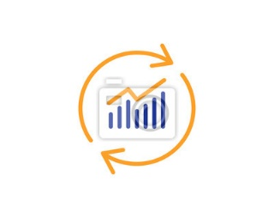

Superstore Sales Analysis Dashboard as at 2017

12%
is the Approximated
Total Sales
Total Profit Generated
Total Quantity Sold
 | 2014 | 2015 | 2016 | 2017
Total | 49,544 | 61,619 | 81,795 | 93,439
Percentage of profit generated
$2,292,669
$286,397
37,873

MOM% Change in Profit
Comparing 2015-2017
Total Transactions
given
Top 10 States by Sales
Segment Sales Contributed
 | Total
Home Office | 1,783
Corporate | 3,020
Consumer | 5,191
 | 2014 | 2015 | 2016 | 2017
Jan |  | 27.65% | 2.03% | 137.14%
Feb |  | 164.42% | 92.27% | -11.65%
Mar |  | -24.30% | 33.54% | 13.84%
Apr |  | 20.85% | 13.32% | -5.75%
May |  | 27.42% | 89.13% | -22.33%
Jun |  | -28.32% | 62.70% | 31.32%
Jul |  | -15.26% | 36.49% | 15.29%
Aug |  | 32.21% | -15.67% | 102.86%
Sep |  | -21.01% | 13.64% | 19.69%
Oct |  | -0.15% | 90.06% | 30.31%
Nov |  | -3.38% | 4.53% | 49.16%
Dec |  | 7.73% | 29.47% | -13.58%

9,994
California
Florida
Illinois
Michigan
New York
Ohio
Pennsylvania
Texas
Virginia
Washington
$457,688
$88,448
$80,166
$76,270
$308,425
$78,258
$116,512
$170,188
$70,637
$138,123

Total Discount
given

$1,561

Segment Profit Percentage Contribution
 | Total
Consumer | 51.94%
Corporate | 30.22%
Home Office | 17.84%
Product Category by Profit and Sales
 | Profit | Sales
Furniture | $18,451 | $738,005
Office Supplies | $122,491 | $718,511
Technology | $145,455 | $836,154
Quantity Sold by Segment

Consumer
5,191
Corporate
3,020

Home Office
1,783

